Sheet1
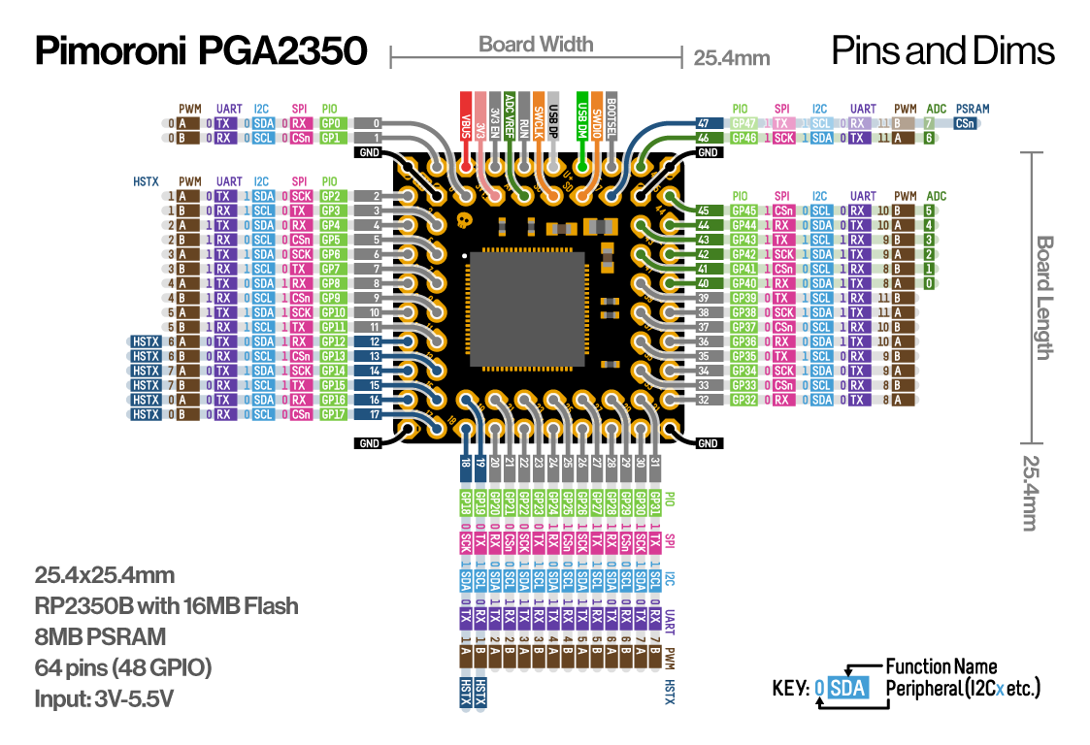
Pin number | Function | ADC | PWM | UART | I2C | SPI | PIO | HSTX | PSRAM | Note
1 | GND
2 | 1 |  | PWM 0B | UART0 RX | I2C0 SCL | SPI0 CSn | GP 1
3 | VBUS |  |  |  |  |  |  |  |  | 3 V - 5.5 V
4 | 3V3 Enable
5 | RUN
6 | USB DP
7 | USB DN
8 | BOOTSEL
9 | 46 | 6 | PWM 11A | UART0 TX | I2C1 SDA | SPI1 SCK | GP 46
10 | GND
11 | 2 |  | PWM 1A | UART0 TX | I2C1 SDA | SPI0 SCK | GP 2
12 | GND
13 | 0 |  | PWM 0A | UART0 TX | I2C0 SDA | SPI0 RX | GP 0
14 | 3V3
15 | ADC VREF
16 | SWCLK
17 | SWDIO
18 | 47 | 7 | PWM 11B | UART0 RX | I2C1 SCL | SPI1 TX | GP 47 |  | PSRAM | Chip Select
19 | GND
20 | 45 | 5 | PWM 10B | UART0 RX | I2C0 SCL | SPI1 CSn | GP 45
21 | 4 |  | PWM 2A | UART1 TX | I2C0 SDA | SPI0 RX | GP 4
22 | 3 |  | PWM 1B | UART0 RX | I2C1 SCL | SPI0 TX | GP 3
23 | 43 | 3 | PWM 9B | UART0 RX | I2C1 SCL | SPI1 TX | GP 43
24 | 44 | 4 | PWM 10A | UART0 TX | I2C0 SDA | SPI1 RX | GP 44
25 | 6 |  | PWM 3A | UART1 TX | I2C1 SDA | SPI0 SCK | GP 6
26 | 5 |  | PWM 2B | UART1 RX | I2C0 SCL | SPI0 CSn | GP 5
27 | 41 | 1 | PWM 8B | UART0 RX | I2C0 SCL | SPI1 CSn | GP 41
28 | 42 | 2 | PWM 9A | UART0 TX | I2C1 SDA | SPI1 SCK | GP 42
29 | 8 |  | PWM 4A | UART1 TX | I2C0 SDA | SPI1 RX | GP 8
30 | 7 |  | PWM 3B | UART1 RX | I2C1 SCL | SPI0 TX | GP 7
31 | 39 |  | PWM 11B | UART0 RX | I2C1 SCL | SPI0 TX | GP 39
32 | 40 | 0 | PWM 8A | UART0 TX | I2C0 SDA | SPI1 RX | GP 40
33 | 10 |  | PWM 5A | UART1 TX | I2C1 SDA | SPI1 SCK | GP 10
34 | 9 |  | PWM 4B | UART1 RX | I2C0 SCL | SPI1 CSn | GP 9
35 | 37 |  | PWM 10B | UART0 RX | I2C0 SCL | SPI0 CSn | GP 37
36 | 38 |  | PWM 11A | UART0 TX | I2C1 SDA | SPI0 SCK | GP 38
37 | 12 |  | PWM 6A | UART0 TX | I2C0 SDA | SPI1 RX | GP 12 | HSTX
38 | 11 |  | PWM 5B | UART1 RX | I2C1 SCL | SPI1 TX | GP 11
39 | 35 |  | PWM 9B | UART0 RX | I2C1 SCL | SPI0 TX | GP 35
40 | 36 |  | PWM 10A | UART0 TX | I2C0 SDA | SPI0 RX | GP 36
41 | 14 |  | PWM 7A | UART0 TX | I2C1 SDA | SPI1 SCK | GP 14 | HSTX
42 | 13 |  | PWM 6B | UART0 RX | I2C0 SCL | SPI1 CSn | GP 13 | HSTX
43 | 33 |  | PWM 8B | UART0 RX | I2C0 SCL | SPI0 CSn | GP 33
44 | 34 |  | PWM 9A | UART0 TX | I2C1 SDA | SPI0 SCK | GP 34
45 | 16 |  | PWM 0A | UART0 TX | I2C0 SDA | SPI0 RX | GP 16 | HSTX
46 | 15 |  | PWM 7B | UART0 RX | I2C1 SCL | SPI1 TX | GP 15 | HSTX
47 | 19 |  | PWM 1B | UART0 RX | I2C1 SCL | SPI0 TX | GP 19 | HSTX
48 | 21 |  | PWM 2B | UART1 RX | I2C0 SCL | SPI0 CSn | GP 21
49 | 23 |  | PWM 3B | UART1 RX | I2C1 SCL | SPI0 TX | GP 23
50 | 25 |  | PWM 4B | UART1 RX | I2C0 SCL | SPI1 CSn | GP 25
51 | 27 |  | PWM 5B | UART1 RX | I2C1 SCL | SPI1 TX | GP 27
52 | 29 |  | PWM 6B | UART0 RX | I2C0 SCL | SPI1 CSn | GP 29
53 | 31 |  | PWM 7B | UART0 RX | I2C1 SCL | SPI1 TX | GP 31
54 | 32 |  | PWM 8A | UART0 TX | I2C0 SDA | SPI0 RX | GP 32
55 | GND
56 | 17 |  | PWM 0B | UART0 RX | I2C0 SCL | SPI0 CSn | GP 17 | HSTX
57 | 18 |  | PWM 1A | UART0 TX | I2C1 SDA | SPI0 SCK | GP 18 | HSTX
58 | 20 |  | PWM 2A | UART1 TX | I2C0 SDA | SPI0 RX | GP 20
59 | 22 |  | PWM 3A | UART1 TX | I2C1 SDA | SPI0 SCK | GP 22
60 | 24 |  | PWM 4A | UART1 TX | I2C0 SDA | SPI1 RX | GP 24
61 | 26 |  | PWM 5A | UART1 TX | I2C1 SDA | SPI1 SCK | GP 26
62 | 28 |  | PWM 6A | UART0 TX | I2C0 SDA | SPI1 RX | GP 28
63 | 30 |  | PWM 7A | UART0 TX | I2C1 SDA | SPI1 SCK | GP 30
64 | GND

